Sheet1
Riveted Lap Joint Efficiency (Maximum allowable force applied to joint/Allowabe force applied to plate without holes)

t
w
F
F
 | 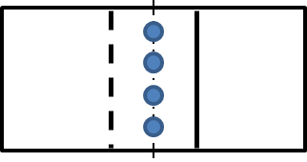

INPUT DATA
n (rivets) | 8 | rivet |  |  | dr (rivets) | 16.00 | mm
w (plate) | 300.00 | mm |  |  | t (plate) | 6.35 | mm
dh (hole) | 17.50 | mm |  |  | σt (plate) | 75 | MPa
τs (rivet) | 60 | MPa |  |  | σbearing (rivet) | 131 | MPa

CONDITION |  | CALCULATIONS |  |  |  | RESULTS
Type | Part, Stress | Stress | Area |  | Force Stress* Area | Efficiency (ηj) % | Fmax, ηmin
Rivets | Revit, τs | 60 | *** | 1,608.50 | 96,509.73 | 67.55
 | Revit, τbearing | 131 | ** | 812.80 | 106,476.80 | 74.52
Plate with holes | Plate, σt | 75 | * | 1,016.00 | 76,200.00 | 53.33 | #
Plate without holes | Plate, σt | 75 | **** | 1,905.00 | 142,875.00 | 53.33
t
Area of Tesnsion
(plate)
No holes
t
t
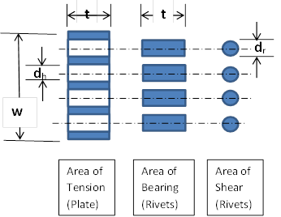

**** |  | * |  | ** | ***

* | Area of Tesion (plat) with holes |  |  |  | A= w t - n (dh t)
** | Area of Bearing (Rivets) |  |  |  | A = n (dr t)
*** | Area of Shear (Rivets) |  |  |  | A = n π dr2/4
**** | Area of Tesion (plat) without holes |  |  |  | A = w t

Force allowable | F= Allowable stress X Area (A)
Riveted Joint Efficiency |  | ηj = Least force / tensile force of plate without holes

