Sheet1
Properties of Shapes

Rectangle |  |  |  | Square |  | Circle |  | Triangle
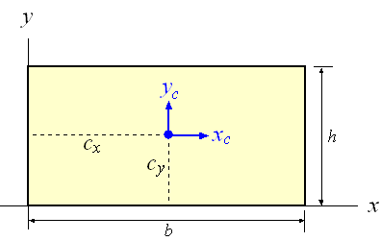
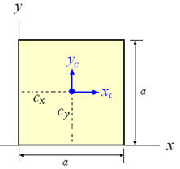
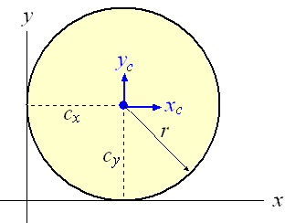
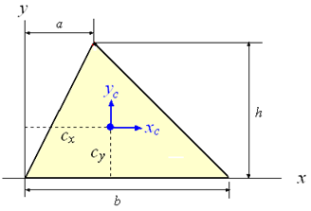

Fig. 1 |  |  |  | Fig. 2 |  | Fig. 3 |  | Fig. 4
Table 1:
Shape |  |  |  | CX | CY | A | Ixc | Iyc | Jzc
Rectangle (Fig. 1)
 | b | h |  | b/2 | h/2 | b h | b h3/12 | h b3/12 | (b h/12) ( h2+ b2)
Input: | 20 | 10 |  | 10.00 | 5.00 | 200.00 | 1666.67 | 6666.67 | 8333.33
Squar (Fig. 2)
 | a |  |  | a/2 | a/2 | a2 | a4/12 | a4/12 | a4/6
Input: | 10 |  |  | 5.00 | 5.00 | 100.00 | 833.33 | 833.33 | 1666.67
Circle (Fig. 3)
 | d = 2 r |  |  | d/2 | d/2 | (π/4) d2 | (π/64) d4 | (π/64) d4 | (π/32) d4
Input: | 10 |  |  | 5.00 | 5.00 | 78.54 | 490.87 | 490.87 | 981.75
Triangle (Fig. 4)
 | a | b | h | (a+b)/3 | h/3 | b h/2 | b h3/36 | (b3h-b2ha+bha2)/36 | (b3h-b2ha+bha2+bh3)/36
Input: | 5 | 10 | 6 | 5.00 | 2.00 | 30.00 | 60.00 | 125.00 | 185.00

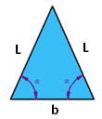
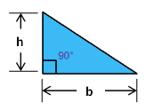
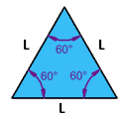
* In case the triangle data is given in the forms as shown in the figures below, then Table 2 can be used to obtain the date required for Table 1.
Table 2:
Triangle | Input
Right Tr. | a | 0
Equil. Tr. | L | 8.00
 | a = L/2 | 4.00
 | b = L | 8.00
 | h = | 6.928 | L (sin 60)
Iso. Tr. | L | 5.00
 | b = | 6.00 |  |  | Right Triangle |  | Equilateral Triangle |  | Isosceles Triangle
 | a = b/2 | 3.00
 | h = | 4.00

Area of Triangle (3 sides) | b | 3
 | c | 5
 | f | 4
S = | 6
Area = | 6

where:

