Sheet1
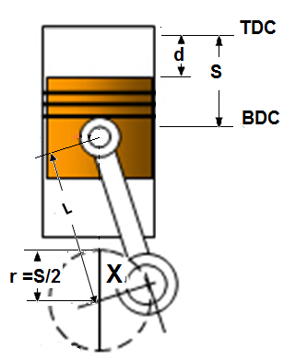
Piston Travel vs. Crank Rotation
L + r
X
r
L sin a
a
L
d
r cos X
d = (L+R) –(r cos X + L sin a)
a = cos⁻¹ ((r sin X)/L)
r = S/2
r sin X
TDC
BDC
S
S = Stroke (mm)
L = Connecting rod Length (mm)
X = Crank Angle Before or After TDC (deg)
d = Piston displacement (mm)
dr = Piston displacement roatio = d/S
r = Crank offset = S/2 (mm)

Note: (L) Rod Length is usually 2 times the (S) Stroke

Enter: L & S |  |  |  |  | Angle after or befor Top dead center
L [mm] | 200 |  |  |  | Crank angle [degree] 'X' |  |  |  |  | 20
S [mm] | 100 |  |  |  | Piston displacement [mm] 'd' |  |  |  |  | 3.7478
 |  |  |  |  | piston dispalcement ratio [ ] 'dr' |  |  |  |  | 0.0375

X [degree] | 0 | 10 | 20 | 30 | 40 | 50 | 60 | 70 | 80 | 90 | 100 | 110 | 120 | 130 | 140 | 150 | 160 | 170 | 180 | 190 | 200 | 210 | 220 | 230 | 240 | 250 | 260 | 270 | 280 | 290 | 300 | 310 | 320 | 330 | 340 | 350 | 360
d [mm] | 0.00 | 0.95 | 3.75 | 8.27 | 14.30 | 21.56 | 29.74 | 38.50 | 47.47 | 56.35 | 64.84 | 72.70 | 79.74 | 85.84 | 90.90 | 94.87 | 97.72 | 99.43 | 100.00 | 99.43 | 97.72 | 94.87 | 90.90 | 85.84 | 79.74 | 72.70 | 64.84 | 56.35 | 47.47 | 38.50 | 29.74 | 21.56 | 14.30 | 8.27 | 3.75 | 0.95 | 0.00
dr [ ] | 0 | 0.0094816178666 | 0.03747821292 | 0.082673814809 | 0.14297017405 | 0.21562530432 | 0.29743758102 | 0.38496203641 | 0.47473880298 | 0.5635083269 | 0.64838698065 | 0.72698217973 | 0.79743758102 | 0.85841291401 | 0.90901461716 | 0.94869921859 | 0.97717083371 | 0.99428937088 | 1 | 0.99428937088 | 0.97717083371 | 0.94869921859 | 0.90901461716 | 0.85841291401 | 0.79743758102 | 0.72698217973 | 0.64838698065 | 0.5635083269 | 0.47473880298 | 0.38496203641 | 0.29743758102 | 0.21562530432 | 0.14297017405 | 0.082673814809 | 0.03747821292 | 0.0094816178666 | 0
Piston displacement vs. crankshaft angle
Piston displacement ratio vs. crankshaft angle

